ReadMeFirst
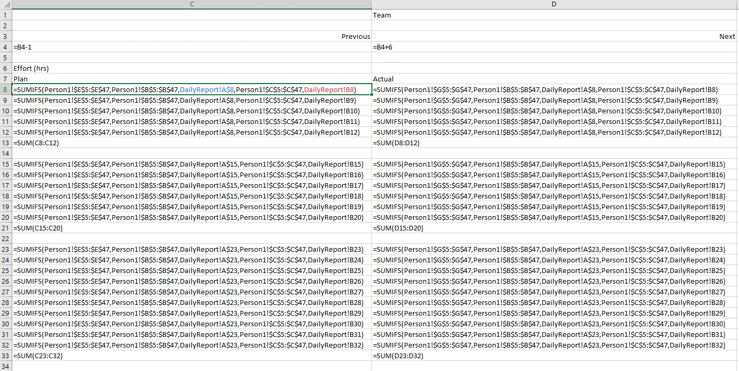
INFO 8440 Website Budget Estimator Workbook

Created by: | Team H

History Table:
 | Date | Version | Comments
 | 2020-11-12 | 1 | Created and published

Sheets
ReadMeFirst | This sheet. Gives an overview of the entire workbook
Website Budget Estimator | The latest version of the Website Budget Estimator for the CDL.

Guidance:
1) | Use Vlookup and other mathematical functions to calculate minimum and maximum costs
2) | Use production time and labor cost for calculating budget cost
3) | Add all elements of website annotated list
4) | Save the work often
5) | All costs must be formatted in Currency$

